Sheet1
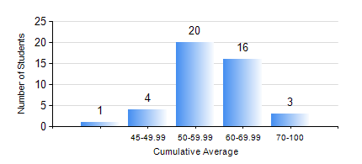
 |  |  | KWAME NKRUMAH UNIVERSITY OF SCIENCE AND TECHNOLOGY, KUMASI Department of Mechanical Engineering

 |  |  | BSC. INDUSTRIAL ENG.

 |  |  | COMPREHENSIVE RECORD OF EXAMINATION RESULTS

 |  |  | RESULTS OF YEAR 2 SECOND SEMESTER, 2020/2021 ACADEMIC YEAR

 | Sn | Course Code |  | Course Name | Credit Hours | Min. Mark | Max. Mark | Avg. Mark | Std. Dev. | No. Passed | No. Trailed | No. (Df) | No. (I) | No. (I*) | No. Tagged(I,I*,Df) | Total
 | 0. |  |  |  |  |  |  | 0 | 0 | 0 | 0 | 0 | 0 | 0 | 0 | 5
 | 1. | ENGL 264 |  | LITERATURE IN ENGLISH II | 1 | 36 | 72 | 54 | 8.85 | 38 | 1 | 0 | 0 | 0 | 0 | 39
 | 2. | IE 274 |  | SECOND YEAR DESIGN PROJECT | 2 | 26 | 71 | 54 | 10.76 | 37 | 2 | 0 | 0 | 0 | 0 | 39
 | 3. | IE 296 |  | INDUSTRIAL ENGINEEGING LABORATORY II | 1 | 56 | 91 | 80 | 7.97 | 39 | 0 | 0 | 0 | 0 | 0 | 39
 | 4. | MATH 252 |  | CALCULUS WITH SEVERAL VARIABLES | 4 | 32 | 65 | 49 | 7.6 | 38 | 1 | 0 | 0 | 0 | 0 | 39
 | 5. | ME 252 |  | FLUID DYNAMICS I | 2 | 16 | 92 | 50 | 16.75 | 33 | 6 | 0 | 0 | 0 | 0 | 39
 | 6. | ME 264 |  | MECHANISM SYNTHESIS AND ANALYSIS I | 3 | 22 | 77 | 50 | 10.63 | 37 | 2 | 0 | 0 | 0 | 0 | 39
 | 7. | ME 266 |  | THERMODYNAMICS I | 2 | 40 | 85 | 59 | 12.02 | 39 | 0 | 0 | 0 | 0 | 0 | 39
 | 8. | ME 270 |  | MANUFACTURING TECHNOLOGY | 3 | 30 | 79 | 54 | 9.93 | 38 | 1 | 0 | 0 | 0 | 0 | 39

